Equipment List
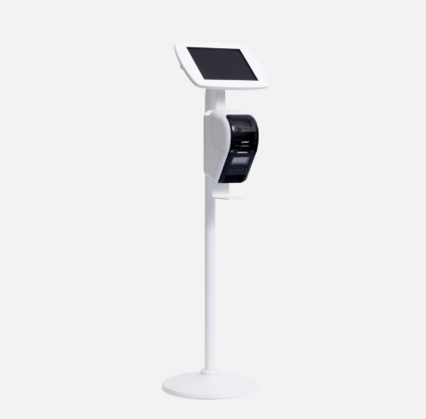
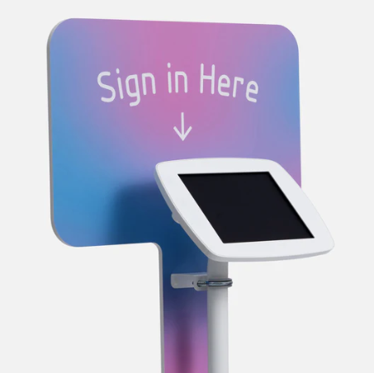
VISITAR Equipment List
 |  |  | Tax: | 5% | Margin: | 40% | Floor Stand | Placard Branding Board
Standard Items | Part Info | Link | Standard Cost | Taxes | Total Cost | Customer Price
Samsung Galaxy Tab A9+ Tablet 11” 64GB Android Tablet | Manuf: Samsung Model: ‎SM-X210NZAAXAR | https://www.amazon.com/gp/product/B0CLF3VPMV/ref=ppx_od_dt_b_asin_title_s02?ie=UTF8&th=1 | $220.00 | $11.00 | $231.00 | $323.40
Brother QL820NWB Direct Thermal Printer - Monochrome | Manuf: Brother Model: QL820NWB | https://www.amazon.com/Brother-QL-820NWB-Professional-Monochrome-Connectivity/dp/B01MTYE0X6?pd_rd_w=zQygd&content-id=amzn1.sym.528bfdfa-ea96-478b-a7d9-043e650836af&pf_rd_p=528bfdfa-ea96-478b-a7d9-043e650836af&pf_rd_r=3TGS6RFDAPB4CQA71B8R&pd_rd_wg=vhqH9&pd_rd_r=97db86bb-1c2f-4b98-86b7-c221c2c773bf&pd_rd_i=B01MTYE0X6&ref_=pd_basp_d_rpt_ba_s_1_t&th=1 | $210.00 | $10.50 | $220.50 | $308.70
Brother Genuine, DK-2205 Continuous Paper Label Roll, Cut-to-Length Label, 2.4” x 100 Feet | ‎Manuf: Brother Part #: DK2205 | https://www.amazon.com/dp/B0002VS66W?smid=ATVPDKIKX0DER&ref_=chk_typ_imgToDp&th= | $30.00 | $1.50 | $31.50 | $44.10
Bouncepad Original Floorstanding + Brother ® Printer Mount - Configure for Samsung Galaxy Tab A9 Plus 11 tablet and Exposed Front Camera | Floorstanding With Printer Mount - White | https://us.bouncepad.com/products/floorstanding-with-brother-printer-mount?variant=44768627589360 | $415.00 | $20.75 | $435.75 | $610.05
 |  |  |  |  | $918.75 | $1,286.25
 |  |  |  |  | Profit: | $367.50

Alternate Items |  |  | List Price | Taxes | Initial Cost | Customer Price | Tablet Stand
Placard Branding Board with White Brackets (Custom Printing Services) | Manuf: Bouncepad Part #: EXT-BPB2-W | https://us.bouncepad.com/products/placard-branding-board?variant=42667341152496 | $110.00 | $5.50 | $115.50 | $161.70
Tablet Stand Holder Ensure include charging cord below if using this tablet stand holder | Manuf: KABCON Part #: B081Q1RH8Q | https://www.amazon.com/gp/product/B081Q1RH8Q/ref=ppx_od_dt_b_asin_title_s00?ie=UTF8&th=1 | $40.00 | $2.00 | $42.00 | $58.80
Tablet Charging Cord (required if using Tablet Stand instead of Floorstanding mount) 6.6 Ft USB C Fast Charger Cable Fit for Samsung Galaxy Tab A9+ | Manuf: UUOLOV Part #: B0DB5DPNM8 | https://www.amazon.com/Charger-Samsung-SM-X210-SM-X215-Charging/dp/B0DB5DPNM8/ref=sr_1_4?crid=1OEESXFJF78UO&dib=eyJ2IjoiMSJ9._I-69JGJn2DIp181S_XOpX5yyDibuWQYPjfHoT2B6-UzhnmfZ_x5bycgHOF0kJ10zB_esfeGMiXf4d7wcAW6zNYGVONnY_sCDk71xgPmoPSZ57tuV9EhncWzrFz46pIFyFmPXJcLtJYzNvYwcQhrLqd8siJ_q9Nsvqly0Vj1nMruWFPojyeFFn_oUG9t3Uj4NWfeRNqGzRdd5ujAQyHTLxVVMIF2bbRUqh6gSVz4VEzz5C0QlCji6f_v8Ekl0isi3xsoH1-dWrP_wci2IacmLQ17DAgGLmkpwegWf0Pnw0GZakJQHgVZpD-7COCb_184f_Jr9DMZJdNpgQq3sFFm0EiPD4NI-C9Q2-BbuNvNl48.3xaMotNMzyrZYdajn7YZ2tIphJKpBs1sVR3cbYe-v_I&dib_tag=se&keywords=charging+cord+for+Samsung+Galaxy+Tab+A9%2B+Tablet+11%E2%80%9D+64GB+Android+Tablet&qid=1743137134&s=electronics&sprefix=charging+cord+for+samsung+galaxy+tab+a9%2B+tablet+11+64gb+android+tablet%2Celectronics%2C155&sr=1-4 | $15.99 | $0.80 | $16.79 | $23.51

